Instructions
Instructions

This model allows the user to perform the financial analysis for a fixed wireless network deployment based on the high level design of the network, cost data and commercial inputs. The structure of the model is shown below:

Module Structure

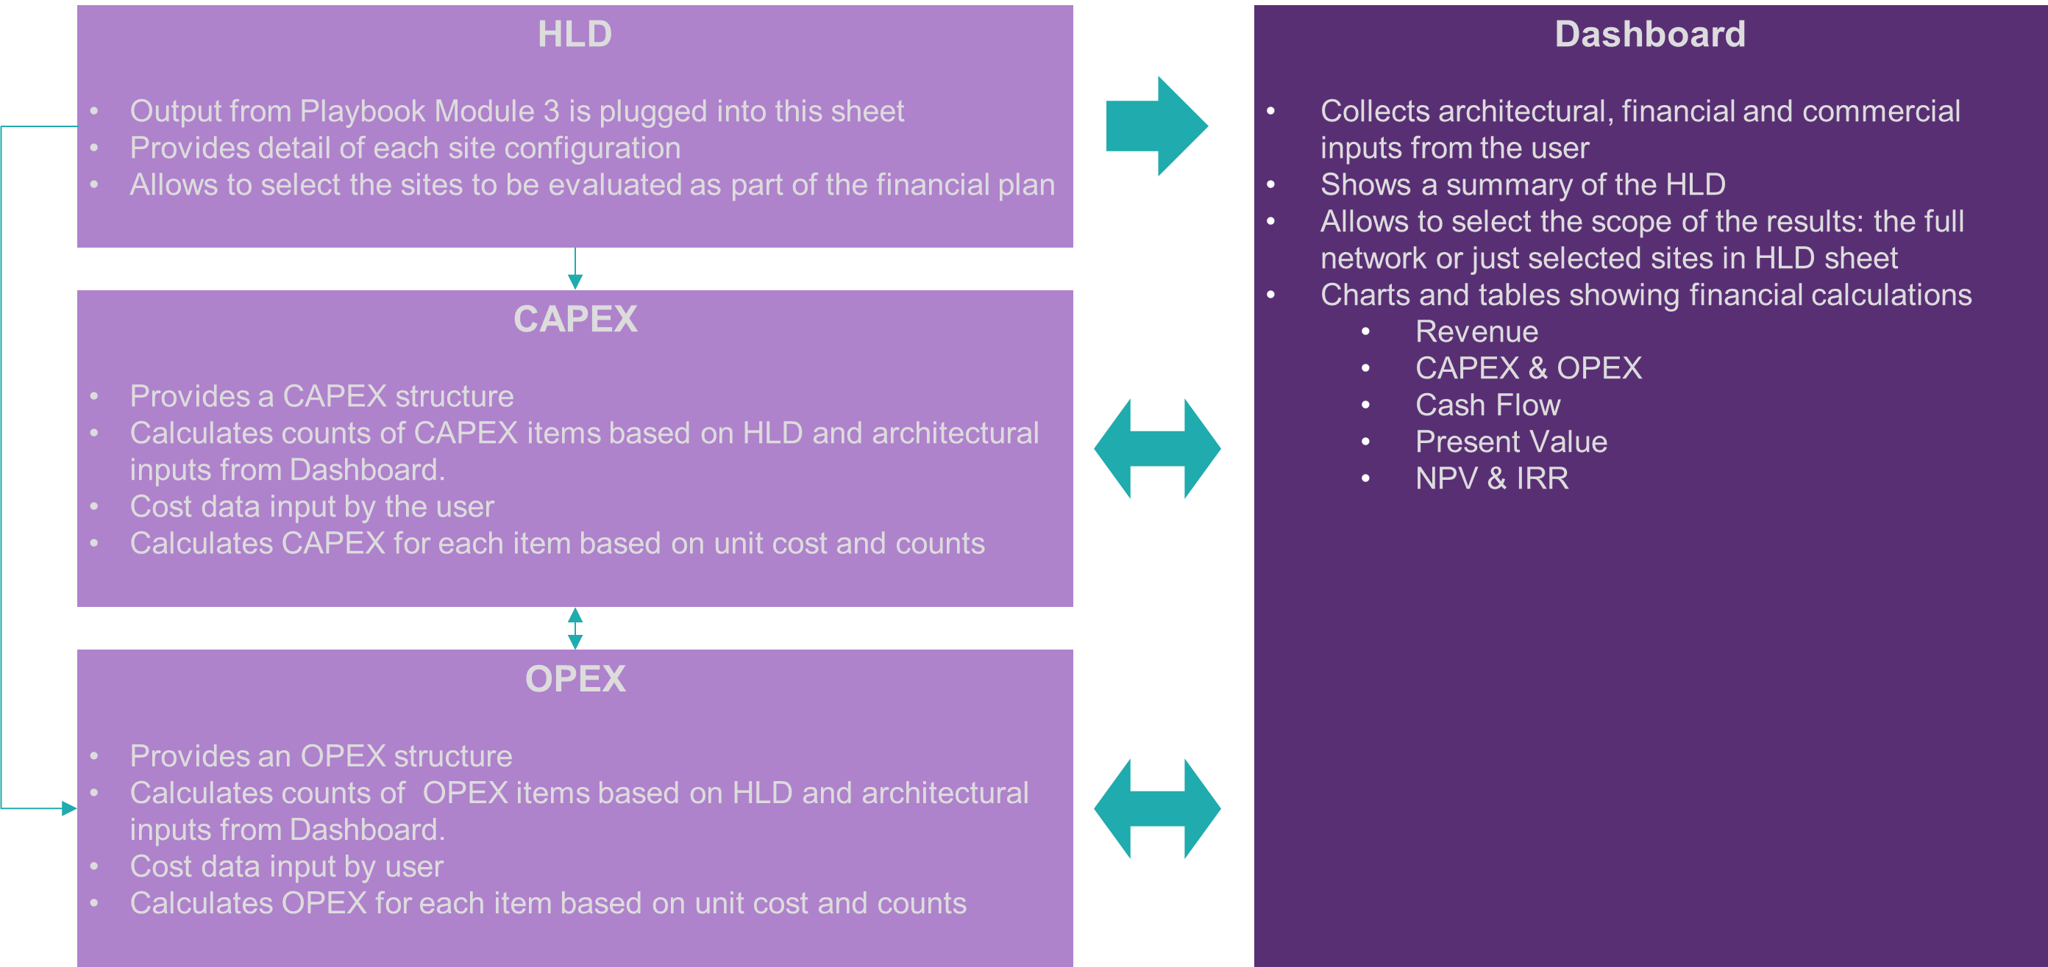

Graphic Elements

Throughout the model, inputs from the user are captured in blue cells (and for certain sheets in white cells):

while calculated values are shown in grey cells:

Some cells have hints and additional information. These cells have an upper right indicator:

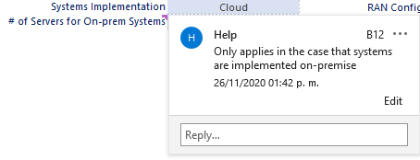
To see the information, just hover the mouse over that cell:

Step-by-Step Instructions

Typical use of the model includes the following steps

1. Take HLD from module 3 and paste it on the HLD sheet, starting in column D ("Site ID"), If doing a high-level analysis before HLD finalization, you can manually add a row for each site and use default values indicated in the column headers

2. Adjust the size of the table to include all the rows in your HLD, by dragging the lower right corner as shown below:

3. Go to "Site Configurations" sheet and complete the information related to RAN and Backhaul configurations for your sites

4. Set architectural inputs in the "Dashboard" sheet, starting at cell B8

5. Set service ARPU and penetration data in the "Dashboard" sheet under the Financial Inputs & Summary section

6. Update the cost of the applicable items for your network in "CAPEX" and "OPEX" sheets, based on the Tech Solutions Matrix, or based on prices obtained from vendors through the RFx process

7. If you want to analyze the full network select "Full Network" under the Scope input in the "Dashboard" sheet (Cell C4)

8. Alternatively, if you want to analyze a specific subset of sites, select "Selected Sites" under the Scope input in the "Dashboard" sheet, and also modify the values in column B of the HLD table. Write a "Y" for those sites to be analyzed and an "N" for the rest

9. Analyze the output and apply changes to the assumptions/inputs as required to fine tune the financial model

Dashboard
Network Architecture & High Level Design

Scope | Full Network |  |  | Covered Homes |  | 1350
 |  |  |  | Priority Targets Covered |  | 6
 |  |  |  | Total Number of Sites |  | 9

RAN Solution | LTE |  |  | Sites per RAN Configuration
EPC Architecture | Centralized |  |  | RAN Config 1 |  | 8
EPC Implementation | Cloud |  |  | RAN Config 2 |  | 1
Systems Implementation | Cloud |  |  | RAN Config 3 |  | 0
# of Servers for On-prem Systems | 0
 |  |  |  | Sites per Backhaul Type
 |  |  |  | MW |  | 8
 |  |  |  | Fiber |  | 1
 |  |  |  | VSAT |  | 0

 |  |  |  | Sites per Structure Type
 |  |  |  | Rooftop |  | 9
 |  |  |  | Existing Tower |  | 0
 |  |  |  | New Tower |  | 0

Financial

Financial Inputs & Summary
Summary
Tax Rate | 25%
Hurdle Rate | 5%
Asset Life | 10
CPE Subsidy % | 50%

Subscribers & Revenue Inputs

 | 2020 | 2021 | 2022 | 2023 | 2024 | 2025
ARPU
Basic Service | $30 | $30 | $30 | $30 | $30 | $30
Subscriber Forecast
Premium Service | $40 | $40 | $40 | $40 | $40 | $40
Institutional Service | $55 | $55 | $55 | $55 | $55 | $55
Community Wi-Fi | $10 | $10 | $10 | $10 | $10 | $10

Adoption Rate
Basic Service | 10% | 30% | 45% | 55% | 65% | 65%
Premium Service | 3% | 5% | 10% | 15% | 15% | 15%
Total | 13% | 35% | 55% | 70% | 80% | 80%

Subscriber Forecast
Basic Service | 135 | 405 | 608 | 743 | 878 | 878
Premium Service | 41 | 68 | 135 | 203 | 203 | 203
Institutional Service | 6 | 6 | 6 | 6 | 6 | 6
Fixed Subscribers | 182 | 479 | 749 | 952 | 1087 | 1087

Community Wi-Fi Users | 20 | 70 | 120 | 200 | 200 | 200

Total Subscribers | 202 | 549 | 869 | 1152 | 1287 | 1287

Financial Analysis

Revenue
Project P&L | 2020 | 2021 | 2022 | 2023 | 2024 | 2025

Revenue | $74,640 | $190,800 | $302,040 | $392,880 | $441,480 | $441,480
Basic Service | $48,600 | $145,800 | $218,880 | $267,480 | $316,080 | $316,080
Premium Service | $19,680 | $32,640 | $64,800 | $97,440 | $97,440 | $97,440
Institutional Service | $3,960 | $3,960 | $3,960 | $3,960 | $3,960 | $3,960
Community Wi-Fi | $2,400 | $8,400 | $14,400 | $24,000 | $24,000 | $24,000

OPEX | $41,539 | $51,162 | $59,910 | $66,470 | $70,844 | $70,844
Maintenance | $12,538 | $17,290 | $21,610 | $24,842 | $27,002 | $27,002
Spectrum | $378 | $972 | $1,512 | $1,917 | $2,187 | $2,187
Passive Infra | $- | $- | $- | $- | $- | $-
Internet Connection | $18,960 | $18,960 | $18,960 | $18,960 | $18,960 | $18,960
Power | $851 | $851 | $851 | $851 | $851 | $851
Core/Aggregation | $4,800 | $4,800 | $4,800 | $4,800 | $4,800 | $4,800
Software | $4,012 | $8,288 | $12,176 | $15,100 | $17,044 | $17,044
Year 0 OPEX
Staff | $- | $- | $- | $- | $- | $-

Depreciation | $- | $18,750 | $18,750 | $18,750 | $18,750 | $18,750

Profit before taxes | $33,101 | $120,888 | $223,380 | $307,660 | $351,886 | $351,886

Taxes | $8,275 | $30,222 | $55,845 | $76,915 | $87,971 | $87,971

Profit after Taxes | $24,826 | $90,666 | $167,535 | $230,745 | $263,914 | $263,914

Cash Flow

Depreciation (Add-back) | $- | $18,750 | $27,586 | $35,618 | $41,628 | $45,644

CAPEX | $187,500 | $88,358 | $80,325 | $60,095 | $40,163 | $-
CPE | $28,210 | $46,035 | $41,850 | $31,310 | $20,925 | $-
I&C | $46,240 | $42,323 | $38,475 | $28,785 | $19,238 | $-
Passive Infra | $7,900 | $- | $- | $- | $- | $-
CAPEX
RAN | $59,550 | $- | $- | $- | $- | $-
Backhaul | $31,650 | $- | $- | $- | $- | $-
Core/Aggregation | $600 | $- | $- | $- | $- | $-
Power | $3,600 | $- | $- | $- | $- | $-
Internet Connection | $- | $- | $- | $- | $- | $-
IT Hardware | $- | $- | $- | $- | $- | $-
Software | $- | $- | $- | $- | $- | $-
Tools | $9,750 | $- | $- | $- | $- | $-

Net Cash Flow | -$162,674 | $21,059 | $114,796 | $206,268 | $265,380 | $309,558

Metrics

Present Value | -$162,674 | $20,056 | $104,123 | $178,182 | $218,329 | $242,547
NPV | $600,563
IRR | 65%

